ورقة1
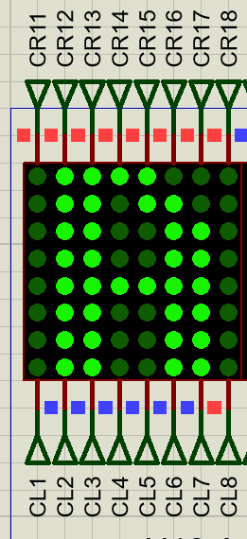
Postion order /number in EPROM | READ ADDRESS LINES |  |  |  |  |  |  |  | Letter Pattern | hex | columns value of LED Matrix | LED Dot matrix columns lines names and information | EXAMPLE: A PATTERN SCANNING (SLOW SPEED THE HIGH SPEED)
 | CONTROL LINES |  |  |  |  | SCANNINIG LINES |  |  |  |  | Bits Order
 | a7 | a6 | a5 | a4 | a3 | a2 | a1 | a0 |  |  | CR8,CR7,CR6,CR5,CR4,CR3,CR2,CR1
1(first postion) | 0 | 0 | 0 | 0 | 0 | 0 | 0 | 0 | A | FF | 11111111 | 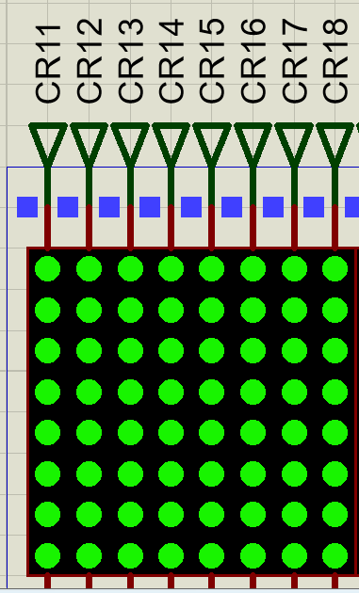 CR1 CR2 CR3 CR4 CR5 CR6 CR7 CR8 | 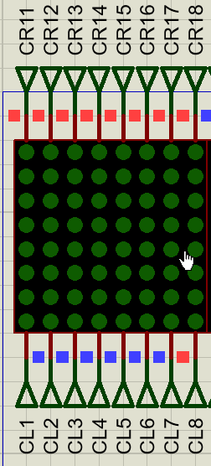 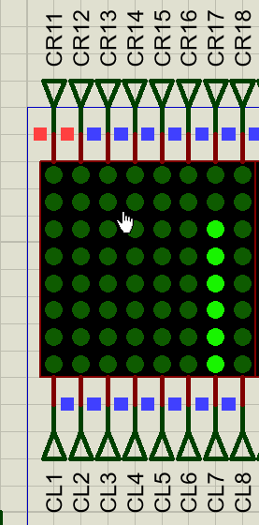 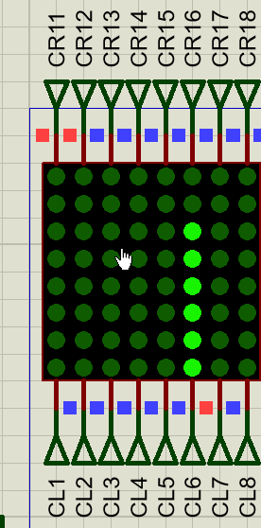 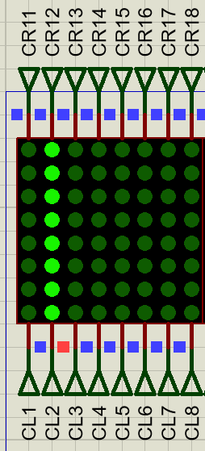 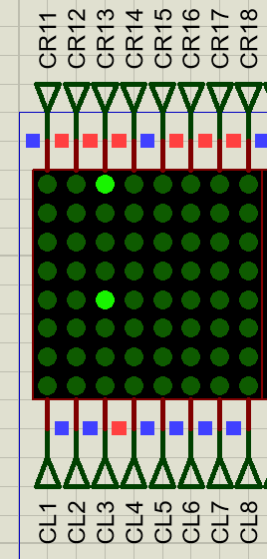 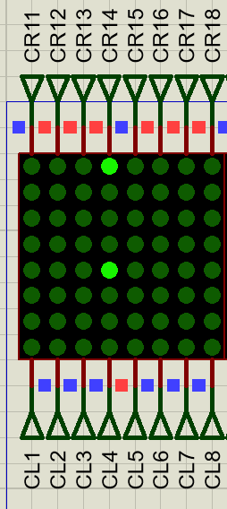 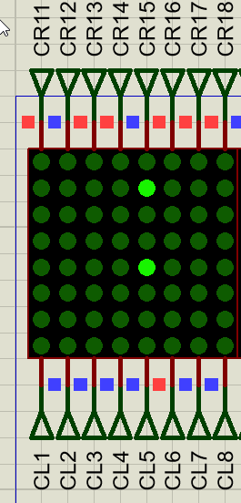
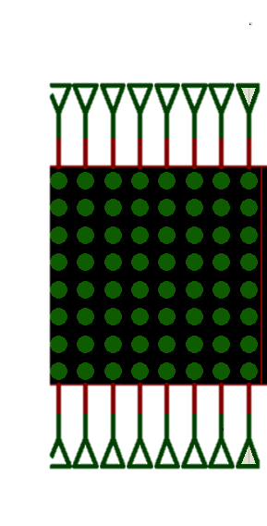
2 | 0 | 0 | 0 | 0 | 0 | 0 | 0 | 1 |  | FF | 11111111
3 | 0 | 0 | 0 | 0 | 0 | 0 | 1 | 0 |  | 03 | 00000011
4 | 0 | 0 | 0 | 0 | 0 | 0 | 1 | 1 |  | ED | 11101101
5 | 0 | 0 | 0 | 0 | 0 | 1 | 0 | 0 |  | EE | 11101110
6 | 0 | 0 | 0 | 0 | 0 | 1 | 0 | 1 |  | EE | 11101110
7 | 0 | 0 | 0 | 0 | 0 | 1 | 1 | 0 |  | 00 | 00000000
8 | 0 | 0 | 0 | 0 | 0 | 1 | 1 | 1 |  | FF | 11111111
9 | 0 | 0 | 0 | 0 | 1 | 0 | 0 | 0 | B | FF | 11111111
10 | 0 | 0 | 0 | 0 | 1 | 0 | 0 | 1 |  | FF | 11111111
11 | 0 | 0 | 0 | 0 | 1 | 0 | 1 | 0 |  | 93 | 10010011
12 | 0 | 0 | 0 | 0 | 1 | 0 | 1 | 1 |  | 6D | 01101101
13 | 0 | 0 | 0 | 0 | 1 | 1 | 0 | 0 |  | 6E | 01101110
14 | 0 | 0 | 0 | 0 | 1 | 1 | 0 | 1 |  | 6E | 01101110
15 | 0 | 0 | 0 | 0 | 1 | 1 | 1 | 0 |  | 00 | 00000000
16 | 0 | 0 | 0 | 0 | 1 | 1 | 1 | 1 |  | FF | 11111111
17 | 0 | 0 | 0 | 1 | 0 | 0 | 0 | 0 | C | FF | 11111111
18 | 0 | 0 | 0 | 1 | 0 | 0 | 0 | 1 |  | 7D | 01111101
19 | 0 | 0 | 0 | 1 | 0 | 0 | 1 | 0 |  | 7D | 01111101
20 | 0 | 0 | 0 | 1 | 0 | 0 | 1 | 1 |  | 7D | 01111101
21 | 0 | 0 | 0 | 1 | 0 | 1 | 0 | 0 |  | 7D | 01111101
22 | 0 | 0 | 0 | 1 | 0 | 1 | 0 | 1 |  | BB | 10111011
23 | 0 | 0 | 0 | 1 | 0 | 1 | 1 | 0 |  | C7 | 11000111
24 | 0 | 0 | 0 | 1 | 0 | 1 | 1 | 1 |  | FF | 11111111
25 | 0 | 0 | 0 | 1 | 1 | 0 | 0 | 0 | D | FF | 11111111
26 | 0 | 0 | 0 | 1 | 1 | 0 | 0 | 1 |  | FF | 11111111
27 | 0 | 0 | 0 | 1 | 1 | 0 | 1 | 0 |  | 87 | 10000111
28 | 0 | 0 | 0 | 1 | 1 | 0 | 1 | 1 |  | 7B | 01111011
29 | 0 | 0 | 0 | 1 | 1 | 1 | 0 | 0 |  | 7D | 01111101
30 | 0 | 0 | 0 | 1 | 1 | 1 | 0 | 1 |  | 7D | 01111101
31 | 0 | 0 | 0 | 1 | 1 | 1 | 1 | 0 |  | 01 | 00000001
32 | 0 | 0 | 0 | 1 | 1 | 1 | 1 | 1 |  | FF | 11111111
33 | 0 | 0 | 1 | 0 | 0 | 0 | 0 | 0 | E | FF | 11111111
34 | 0 | 0 | 1 | 0 | 0 | 0 | 0 | 1 |  | FF | 11111111
35 | 0 | 0 | 1 | 0 | 0 | 0 | 1 | 0 |  | 6D | 01101101
36 | 0 | 0 | 1 | 0 | 0 | 0 | 1 | 1 |  | 6D | 01101101
The leds are active low(high frequincy)
37 | 0 | 0 | 1 | 0 | 0 | 1 | 0 | 0 |  | 6D | 01101101
38 | 0 | 0 | 1 | 0 | 0 | 1 | 0 | 1 |  | 01 | 00000001
39 | 0 | 0 | 1 | 0 | 0 | 1 | 1 | 0 |  | 01 | 00000001
40 | 0 | 0 | 1 | 0 | 0 | 1 | 1 | 1 |  | FF | 11111111
41 | 0 | 0 | 1 | 0 | 1 | 0 | 0 | 0 | F | FF | 11111111
42 | 0 | 0 | 1 | 0 | 1 | 0 | 0 | 1 |  | FF | 11111111
43 | 0 | 0 | 1 | 0 | 1 | 0 | 1 | 0 |  | ED | 11101101
44 | 0 | 0 | 1 | 0 | 1 | 0 | 1 | 1 |  | ED | 11101101
45 | 0 | 0 | 1 | 0 | 1 | 1 | 0 | 0 |  | ED | 11101101
46 | 0 | 0 | 1 | 0 | 1 | 1 | 0 | 1 |  | 01 | 00000001
47 | 0 | 0 | 1 | 0 | 1 | 1 | 1 | 0 |  | 01 | 00000001
48 | 0 | 0 | 1 | 0 | 1 | 1 | 1 | 1 |  | FF | 11111111
49 | 0 | 0 | 1 | 1 | 0 | 0 | 0 | 0 | G | FF | 11111111
50 | 0 | 0 | 1 | 1 | 0 | 0 | 0 | 1 |  | 8B | 10001011
51 | 0 | 0 | 1 | 1 | 0 | 0 | 1 | 0 |  | 6D | 01101101
52 | 0 | 0 | 1 | 1 | 0 | 0 | 1 | 1 |  | 6D | 01101101
53 | 0 | 0 | 1 | 1 | 0 | 1 | 0 | 0 |  | 6D | 01101101
54 | 0 | 0 | 1 | 1 | 0 | 1 | 0 | 1 |  | 7B | 01111011
55 | 0 | 0 | 1 | 1 | 0 | 1 | 1 | 0 |  | 87 | 10000111
56 | 0 | 0 | 1 | 1 | 0 | 1 | 1 | 1 |  | FF | 11111111
57 | 0 | 0 | 1 | 1 | 1 | 0 | 0 | 0 | H | FF | 11111111
58 | 0 | 0 | 1 | 1 | 1 | 0 | 0 | 1 |  | 00 | 00000000
59 | 0 | 0 | 1 | 1 | 1 | 0 | 1 | 0 |  | EF | 11101111
60 | 0 | 0 | 1 | 1 | 1 | 0 | 1 | 1 |  | EF | 11101111
61 | 0 | 0 | 1 | 1 | 1 | 1 | 0 | 0 |  | EF | 11101111
62 | 0 | 0 | 1 | 1 | 1 | 1 | 0 | 1 |  | 00 | 00000000
63 | 0 | 0 | 1 | 1 | 1 | 1 | 1 | 0 |  | 00 | 00000000
64 | 0 | 0 | 1 | 1 | 1 | 1 | 1 | 1 |  | FF | 11111111
65 | 0 | 1 | 0 | 0 | 0 | 0 | 0 | 0 | I | FF | 11111111
66 | 0 | 1 | 0 | 0 | 0 | 0 | 0 | 1 |  | FF | 11111111
67 | 0 | 1 | 0 | 0 | 0 | 0 | 1 | 0 |  | 7E | 01111110
68 | 0 | 1 | 0 | 0 | 0 | 0 | 1 | 1 |  | 00 | 00000000
69 | 0 | 1 | 0 | 0 | 0 | 1 | 0 | 0 |  | 00 | 00000000
70 | 0 | 1 | 0 | 0 | 0 | 1 | 0 | 1 |  | 7E | 01111110
71 | 0 | 1 | 0 | 0 | 0 | 1 | 1 | 0 |  | FF | 11111111
72 | 0 | 1 | 0 | 0 | 0 | 1 | 1 | 1 |  | FF | 11111111
73 | 0 | 1 | 0 | 0 | 1 | 0 | 0 | 0 | J | FF | 11111111
74 | 0 | 1 | 0 | 0 | 1 | 0 | 0 | 1 |  | FF | 11111111
75 | 0 | 1 | 0 | 0 | 1 | 0 | 1 | 0 |  | FF | 11111111
76 | 0 | 1 | 0 | 0 | 1 | 0 | 1 | 1 |  | FE | 11111110
77 | 0 | 1 | 0 | 0 | 1 | 1 | 0 | 0 |  | 00 | 00000000
78 | 0 | 1 | 0 | 0 | 1 | 1 | 0 | 1 |  | 7E | 01111110
79 | 0 | 1 | 0 | 0 | 1 | 1 | 1 | 0 |  | 9F | 10011111
80 | 0 | 1 | 0 | 0 | 1 | 1 | 1 | 1 |  | FF | 11111111
81 | 0 | 1 | 0 | 1 | 0 | 0 | 0 | 0 | K | 7E | 01111110
82 | 0 | 1 | 0 | 1 | 0 | 0 | 0 | 1 |  | BD | 10111101
83 | 0 | 1 | 0 | 1 | 0 | 0 | 1 | 0 |  | DB | 11011011
84 | 0 | 1 | 0 | 1 | 0 | 0 | 1 | 1 |  | E7 | 11100111
85 | 0 | 1 | 0 | 1 | 0 | 1 | 0 | 0 |  | E7 | 11100111
86 | 0 | 1 | 0 | 1 | 0 | 1 | 0 | 1 |  | 00 | 00000000
87 | 0 | 1 | 0 | 1 | 0 | 1 | 1 | 0 |  | FF | 11111111
88 | 0 | 1 | 0 | 1 | 0 | 1 | 1 | 1 |  | FF | 11111111
89 | 0 | 1 | 0 | 1 | 1 | 0 | 0 | 0 | L | FF | 11111111
90 | 0 | 1 | 0 | 1 | 1 | 0 | 0 | 1 |  | 3F | 00111111
91 | 0 | 1 | 0 | 1 | 1 | 0 | 1 | 0 |  | 3F | 00111111
92 | 0 | 1 | 0 | 1 | 1 | 0 | 1 | 1 |  | 3F | 00111111
93 | 0 | 1 | 0 | 1 | 1 | 1 | 0 | 0 |  | 00 | 00000000
94 | 0 | 1 | 0 | 1 | 1 | 1 | 0 | 1 |  | 00 | 00000000
95 | 0 | 1 | 0 | 1 | 1 | 1 | 1 | 0 |  | FF | 11111111
96 | 0 | 1 | 0 | 1 | 1 | 1 | 1 | 1 |  | FF | 11111111
97 | 0 | 1 | 1 | 0 | 0 | 0 | 0 | 0 | M | FF | 11111111
98 | 0 | 1 | 1 | 0 | 0 | 0 | 0 | 1 |  | 03 | 00000011
99 | 0 | 1 | 1 | 0 | 0 | 0 | 1 | 0 |  | F7 | 11110111
100 | 0 | 1 | 1 | 0 | 0 | 0 | 1 | 1 |  | EF | 11101111
101 | 0 | 1 | 1 | 0 | 0 | 1 | 0 | 0 |  | DF | 11011111
102 | 0 | 1 | 1 | 0 | 0 | 1 | 0 | 1 |  | EF | 11101111
103 | 0 | 1 | 1 | 0 | 0 | 1 | 1 | 0 |  | F7 | 11110111
104 | 0 | 1 | 1 | 0 | 0 | 1 | 1 | 1 |  | 03 | 00000011
105 | 0 | 1 | 1 | 0 | 1 | 0 | 0 | 0 | N | 01 | 00000001
106 | 0 | 1 | 1 | 0 | 1 | 0 | 0 | 1 |  | BF | 10111111
107 | 0 | 1 | 1 | 0 | 1 | 0 | 1 | 0 |  | DF | 11011111
108 | 0 | 1 | 1 | 0 | 1 | 0 | 1 | 1 |  | EF | 11101111
109 | 0 | 1 | 1 | 0 | 1 | 1 | 0 | 0 |  | F7 | 11110111
110 | 0 | 1 | 1 | 0 | 1 | 1 | 0 | 1 |  | FB | 11111011
111 | 0 | 1 | 1 | 0 | 1 | 1 | 1 | 0 |  | 01 | 00000001
112 | 0 | 1 | 1 | 0 | 1 | 1 | 1 | 1 |  | FF | 11111111
113 | 0 | 1 | 1 | 1 | 0 | 0 | 0 | 0 | O | C7 | 11000111
114 | 0 | 1 | 1 | 1 | 0 | 0 | 0 | 1 |  | BB | 10111011
115 | 0 | 1 | 1 | 1 | 0 | 0 | 1 | 0 |  | 7D | 01111101
116 | 0 | 1 | 1 | 1 | 0 | 0 | 1 | 1 |  | 7D | 01111101
117 | 0 | 1 | 1 | 1 | 0 | 1 | 0 | 0 |  | 7D | 01111101
118 | 0 | 1 | 1 | 1 | 0 | 1 | 0 | 1 |  | BB | 10111011
119 | 0 | 1 | 1 | 1 | 0 | 1 | 1 | 0 |  | C7 | 11000111
120 | 0 | 1 | 1 | 1 | 0 | 1 | 1 | 1 |  | FF | 11111111
121 | 0 | 1 | 1 | 1 | 1 | 0 | 0 | 0 | P | FF | 11111111
122 | 0 | 1 | 1 | 1 | 1 | 0 | 0 | 1 |  | F1 | 11110001
123 | 0 | 1 | 1 | 1 | 1 | 0 | 1 | 0 |  | EE | 11101110
124 | 0 | 1 | 1 | 1 | 1 | 0 | 1 | 1 |  | EE | 11101110
125 | 0 | 1 | 1 | 1 | 1 | 1 | 0 | 0 |  | EE | 11101110
126 | 0 | 1 | 1 | 1 | 1 | 1 | 0 | 1 |  | 00 | 00000000
127 | 0 | 1 | 1 | 1 | 1 | 1 | 1 | 0 |  | FF | 11111111
128 | 0 | 1 | 1 | 1 | 1 | 1 | 1 | 1 |  | FF | 11111111
129 | 1 | 0 | 0 | 0 | 0 | 0 | 0 | 0 | Q | 7F | 01111111
130 | 1 | 0 | 0 | 0 | 0 | 0 | 0 | 1 |  | A3 | 10100011
131 | 1 | 0 | 0 | 0 | 0 | 0 | 1 | 0 |  | DD | 11011101
132 | 1 | 0 | 0 | 0 | 0 | 0 | 1 | 1 |  | AE | 10101110
133 | 1 | 0 | 0 | 0 | 0 | 1 | 0 | 0 |  | BE | 10111110
134 | 1 | 0 | 0 | 0 | 0 | 1 | 0 | 1 |  | BE | 10111110
135 | 1 | 0 | 0 | 0 | 0 | 1 | 1 | 0 |  | DD | 11011101
136 | 1 | 0 | 0 | 0 | 0 | 1 | 1 | 1 |  | E3 | 11100011
137 | 1 | 0 | 0 | 0 | 1 | 0 | 0 | 0 | R | FF | 11111111
138 | 1 | 0 | 0 | 0 | 1 | 0 | 0 | 1 |  | FF | 11111111
139 | 1 | 0 | 0 | 0 | 1 | 0 | 1 | 0 |  | 13 | 00010011
140 | 1 | 0 | 0 | 0 | 1 | 0 | 1 | 1 |  | ED | 11101101
141 | 1 | 0 | 0 | 0 | 1 | 1 | 0 | 0 |  | EE | 11101110
142 | 1 | 0 | 0 | 0 | 1 | 1 | 0 | 1 |  | EE | 11101110
143 | 1 | 0 | 0 | 0 | 1 | 1 | 1 | 0 |  | 00 | 00000000
144 | 1 | 0 | 0 | 0 | 1 | 1 | 1 | 1 |  | FF | 11111111
145 | 1 | 0 | 0 | 1 | 0 | 0 | 0 | 0 | S | FF | 11111111
146 | 1 | 0 | 0 | 1 | 0 | 0 | 0 | 1 |  | 99 | 10011001
147 | 1 | 0 | 0 | 1 | 0 | 0 | 1 | 0 |  | 6E | 01101110
148 | 1 | 0 | 0 | 1 | 0 | 0 | 1 | 1 |  | 6E | 01101110
149 | 1 | 0 | 0 | 1 | 0 | 1 | 0 | 0 |  | 6E | 01101110
150 | 1 | 0 | 0 | 1 | 0 | 1 | 0 | 1 |  | B1 | 10110001
151 | 1 | 0 | 0 | 1 | 0 | 1 | 1 | 0 |  | FF | 11111111
152 | 1 | 0 | 0 | 1 | 0 | 1 | 1 | 1 |  | FF | 11111111
153 | 1 | 0 | 0 | 1 | 1 | 0 | 0 | 0 | T | FF | 11111111
154 | 1 | 0 | 0 | 1 | 1 | 0 | 0 | 1 |  | FC | 11111100
155 | 1 | 0 | 0 | 1 | 1 | 0 | 1 | 0 |  | FC | 11111100
156 | 1 | 0 | 0 | 1 | 1 | 0 | 1 | 1 |  | 00 | 00000000
157 | 1 | 0 | 0 | 1 | 1 | 1 | 0 | 0 |  | 00 | 00000000
158 | 1 | 0 | 0 | 1 | 1 | 1 | 0 | 1 |  | FC | 11111100
159 | 1 | 0 | 0 | 1 | 1 | 1 | 1 | 0 |  | FC | 11111100
160 | 1 | 0 | 0 | 1 | 1 | 1 | 1 | 1 |  | FF | 11111111
161 | 1 | 0 | 1 | 0 | 0 | 0 | 0 | 0 | U | FF | 11111111
162 | 1 | 0 | 1 | 0 | 0 | 0 | 0 | 1 |  | C0 | 11000000
163 | 1 | 0 | 1 | 0 | 0 | 0 | 1 | 0 |  | BF | 10111111
164 | 1 | 0 | 1 | 0 | 0 | 0 | 1 | 1 |  | 7F | 01111111
165 | 1 | 0 | 1 | 0 | 0 | 1 | 0 | 0 |  | 7F | 01111111
166 | 1 | 0 | 1 | 0 | 0 | 1 | 0 | 1 |  | 7F | 01111111
167 | 1 | 0 | 1 | 0 | 0 | 1 | 1 | 0 |  | BF | 10111111
168 | 1 | 0 | 1 | 0 | 0 | 1 | 1 | 1 |  | C0 | 11000000
169 | 1 | 0 | 1 | 0 | 1 | 0 | 0 | 0 | V | FD | 11111101
170 | 1 | 0 | 1 | 0 | 1 | 0 | 0 | 1 |  | FB | 11111011
171 | 1 | 0 | 1 | 0 | 1 | 0 | 1 | 0 |  | E7 | 11100111
172 | 1 | 0 | 1 | 0 | 1 | 0 | 1 | 1 |  | DF | 11011111
173 | 1 | 0 | 1 | 0 | 1 | 1 | 0 | 0 |  | BF | 10111111
174 | 1 | 0 | 1 | 0 | 1 | 1 | 0 | 1 |  | 00 | 00000000
175 | 1 | 0 | 1 | 0 | 1 | 1 | 1 | 0 |  | 00 | 00000000
176 | 1 | 0 | 1 | 0 | 1 | 1 | 1 | 1 |  | FF | 11111111
177 | 1 | 0 | 1 | 1 | 0 | 0 | 0 | 0 | W | FF | 11111111
178 | 1 | 0 | 1 | 1 | 0 | 0 | 0 | 1 |  | 80 | 10000000
179 | 1 | 0 | 1 | 1 | 0 | 0 | 1 | 0 |  | DF | 11011111
180 | 1 | 0 | 1 | 1 | 0 | 0 | 1 | 1 |  | E7 | 11100111
181 | 1 | 0 | 1 | 1 | 0 | 1 | 0 | 0 |  | FB | 11111011
182 | 1 | 0 | 1 | 1 | 0 | 1 | 0 | 1 |  | E7 | 11100111
183 | 1 | 0 | 1 | 1 | 0 | 1 | 1 | 0 |  | DF | 11011111
184 | 1 | 0 | 1 | 1 | 0 | 1 | 1 | 1 |  | 80 | 10000000
185 | 1 | 0 | 1 | 1 | 1 | 0 | 0 | 0 | X | 7D | 01111101
186 | 1 | 0 | 1 | 1 | 1 | 0 | 0 | 1 |  | BB | 10111011
187 | 1 | 0 | 1 | 1 | 1 | 0 | 1 | 0 |  | D7 | 11010111
188 | 1 | 0 | 1 | 1 | 1 | 0 | 1 | 1 |  | EF | 11101111
189 | 1 | 0 | 1 | 1 | 1 | 1 | 0 | 0 |  | D7 | 11010111
190 | 1 | 0 | 1 | 1 | 1 | 1 | 0 | 1 |  | BB | 10111011
191 | 1 | 0 | 1 | 1 | 1 | 1 | 1 | 0 |  | 7D | 01111101
192 | 1 | 0 | 1 | 1 | 1 | 1 | 1 | 1 |  | FF | 11111111
193 | 1 | 1 | 0 | 0 | 0 | 0 | 0 | 0 | Y | FF | 11111111
194 | 1 | 1 | 0 | 0 | 0 | 0 | 0 | 1 |  | FF | 11111111
195 | 1 | 1 | 0 | 0 | 0 | 0 | 1 | 0 |  | F8 | 11111000
196 | 1 | 1 | 0 | 0 | 0 | 0 | 1 | 1 |  | F7 | 11110111
197 | 1 | 1 | 0 | 0 | 0 | 1 | 0 | 0 |  | 0F | 00001111
198 | 1 | 1 | 0 | 0 | 0 | 1 | 0 | 1 |  | F7 | 11110111
199 | 1 | 1 | 0 | 0 | 0 | 1 | 1 | 0 |  | F8 | 11111000
200 | 1 | 1 | 0 | 0 | 0 | 1 | 1 | 1 |  | FF | 11111111
201 | 1 | 1 | 0 | 0 | 1 | 0 | 0 | 0 | Z | FF | 11111111
202 | 1 | 1 | 0 | 0 | 1 | 0 | 0 | 1 |  | FF | 11111111
203 | 1 | 1 | 0 | 0 | 1 | 0 | 1 | 0 |  | 38 | 00111000
204 | 1 | 1 | 0 | 0 | 1 | 0 | 1 | 1 |  | 30 | 00110000
205 | 1 | 1 | 0 | 0 | 1 | 1 | 0 | 0 |  | 24 | 00100100
206 | 1 | 1 | 0 | 0 | 1 | 1 | 0 | 1 |  | 0C | 00001100
207 | 1 | 1 | 0 | 0 | 1 | 1 | 1 | 0 |  | 1C | 00011100
208 | 1 | 1 | 0 | 0 | 1 | 1 | 1 | 1 |  | FF | 11111111
209 | DON’T CARE (unused places)
210
211
212
213
214
215
216
217
218
219
220
221
222
223
224
225
226
227
228
229
230
231
232
233
234
235
236
237
238
239
240
241
242
243
244
245
246
247
248
249
250
251
252
253
254
255
256

